1. Title Page
[Instacart Grocery Basket Analysis]

Project Name: Instacart Grocery Basket Analysis
Date: 26/10/2023
Analyst Name: Hono Cosmas

Contents:
Population Flow
Consistency checks
Wrangling steps
Column derivations
Visualizations
Recommendations

Reference: “The Instacart Online Grocery Shopping Dataset 2017”, Accessed from www.instacart.com/datasets/grocery-shopping-2017 via Kaggle on [26/10/2023].

2. Population Flow
Title page

Population flow

Exclusion flag
Condition: max_order < 5
Obervations to be removed: 8660
Final total count of order_products_all: 30320103

Orders_products_combined
Orders_products_merged
Orders_products_all

Total: 30328763
Total: 30356421
Total: 30328763

1.) The grey boxes in the first row of the population flow represent the original data sets as they were when you downloaded them. In the Total fields you need to add the count of the rows when you imported the data set into Jupyter.
2.) The second row of boxes (coloured) represents the data sets after you manipulated them, e.g., removed missing values and duplicates. In the Total fields you need to add the count of the rows after conducting these operations. This offers a visual oveview of how the data flows throughout the data consistency checks.
3.) The third row, where also the arrows are coloured, represents the merges you performed between the datasets. In the Total fields you need to add the count of the rows in the merged datasets, so that you end up with the final dataset (in the red box). Keep in mind the final dataset should be without exclusions (based on the exclusion flag).

3. Consistency checks
 |  |  |  | Title page
Consistency checks

Dataset | Missing values | Missing values treatment | Duplicates
orders | 206209 values from 'days_since_prior_order' | A new variable that acts like a flag was created based on the missing value, and a new dataframe "df_ords_clean" was created to filter out missing values. | 0
products | 16 values from product_name | A new variable that acts like a flag was created based on the missing value, and a new dataframe "df_prods_clean" was created to filter out missing values. | 5
orders_products_prior | 0 |  | 0
customers | 0 |  | 0

4. Wrangling steps
 |  |  | Title page | Title page
Wrangling steps

Columns dropped | Columns renamed | Columns' type changed | Comment/Reason
eval_set column dropped from orders |  |  | Irrelevant for analysis
 |  | user_id | changed to string to facilitate cleaner descriptive statistical analysis, It also wasn't needed as a numeric value in my analysis. It was later changed back to int64 to make it uniform with the datatype of user_id in the ords_prods_merge dataframe for a seamless merge.
 | order_dow to orders_day_of_week |  | clarity, consistency, and compatibility with coding standards.
 | First Name to first_name |  | To maintain naming consistency and compatibility with coding standards and data analysis practices.
 | Surnam to last_name |  | To maintain naming consistency and compatibility with coding standards and data analysis practices.
 | STATE to State |  | To follow a more conventional and standardized naming format that capitalizes the first letter for improved readabilty and consistency.
 | n_dependants to number_of_dependants |  | clarity, consistency, and compatibility with coding standards.
 | fam_status to marital_status |  | clarity, consistency, and compatibility with coding standards.
 | income to customer_income |  | clarity, consistency, and compatibility with coding standards.

first_name, last_name dropped from customers |  |  | Were identified as PII, and dropped. Given that customers have user_id's, names weren't necessary, as that may infringe on privacy laws.
 |  | order_id | Changed to string as it wasn't needed as a numeric value in my analysis.
 |  | first_name | Mixed-type datatype was found in first_name, and was addressed by changing the 'first_name' to string [df_cust['first_name'] = df_cust['first_name'].astype('str')]

5. Column derivations
 |  |  |  | Title page

Column derivations and aggregations

In this tab you should add tables below that the frequences of flags/label variables that you produced after deriving them. NB: don't do this for continuous variables, only for flags.
order_frequency_flag
Frequent customer 86596
Regular customer 59993
Non-frequent customer 59619
Name: count, dtype: int64
spending_flag
Low spender 200071
High spender 6137
Name: count, dtype: int64
loyalty_flag
Regular customer 15081691
Loyal customer 10095381
New customer 5151691
Name: count, dtype: int64
price_range_loc
Mid-range product 20462144
Low-range product 9476774
High-range product 389845
Name: count, dtype: int64
busiest_day
Regularly busy 12090838
Busiest days 11082805
Slowest days 7155120
Name: count, dtype: int64
busiest_period_of_day
Most orders 15096487
Average orders 10932733
Fewest orders 4299543
Name: count, dtype: int64
Region Count
South 10099817
West 7765088
Midwest 7107586
Northeast 5356272
customer_profile count
Other 22269033
Young Parent 5667053
Single Adult 1284255
Weekend Evening Shopper 1108422
Dataset | New column | Column/s it was derived from | Conditions
orders_products_merged | busiest_days; slowest_days | orders_day_of_week | busiest_days = [0, 1] # Saturday and Sunday slowest_days = [3, 4] for value in df_ords_prods_merged['orders_day_of_week']: if value in busiest_days: busiest_and_slowest_days.append("Busiest days") elif value in slowest_days: busiest_and_slowest_days.append("Slowest days") else: busiest_and_slowest_days.append("Regularly busy")
orders_products_merged | price_range_loc | prices | def price_label(row): if row['prices'] <= 5: return 'Low range product' elif (row['prices'] > 5) and (row['prices'] <= 15): return 'Mid range product' elif row['prices'] > 15: return 'High range product' else: return np.nan
orders_products_merged | busiest_period_of_day | order_hour_of_day | most_orders_hours = [10, 11, 14, 15, 13, 12] average_orders_hours = [16, 9, 17, 8, 18, 19] fewest_orders_hours = [20, 7, 21, 22, 23, 6, 0, 1, 5, 2, 4, 3] for hour in df_ords_prods_merged['order_hour_of_day']: if hour in most_orders_hours: busiest_period_of_day.append("Most orders") elif hour in average_orders_hours: busiest_period_of_day.append("Average orders") else: busiest_period_of_day.append("Fewest orders")
orders_products_new_variables | max_order | user_id and order_number | ords_prods_merge['max_order'] = ords_prods_merge.groupby(['user_id'])['order_number'].transform(np.max) This code creates a list showing the biggest order number for each person in a table.
orders_products_new_variables | loyalty_flag | max_order | (i)If the maximum orders the user has made is over 40, then the customer will be labeled a “Loyal customer.” (ii)If the maximum orders the user has made is over 10 but less than or equal to 40, then the customer will be labeled a “Regular customer.” (iii)If the maximum orders the user has made is less than or equal to 10, then the customer will be labeled a “New customer.” ords_prods_merge.loc[ords_prods_merge['max_order'] > 40, 'loyalty_flag'] = 'Loyal customer' ords_prods_merge.loc[(ords_prods_merge['max_order'] <= 40) & (ords_prods_merge['max_order'] > 10), 'loyalty_flag'] = 'Regular customer' ords_prods_merge.loc[ords_prods_merge['max_order'] <= 10, 'loyalty_flag'] = 'New customer'
orders_products_new_variables | user_mean_prices | user_id and prices | user_mean_prices = ords_prods_merge.groupby('user_id')['prices'].mean() This calculates the average (mean) price of products purchased by each user and stores these average prices in a new DataFrame or Series called 'user_mean_prices.'
orders_products_new_variables | spending_flag | user_mean_prices | def categorize_spending(mean_price): if mean_price < 10: return 'Low spender' else: return 'High spender' ords_prods_merge['spending_flag'] = user_mean_prices.apply(categorize_spending) This code defines a function to classify users as "Low spender" or "High spender" based on their average spending, and then applies this classification to create a new column 'spending_flag' in the 'ords_prods_merge' DataFrame.
orders_products_new_variables | user_median_days_since_order | user_id and days_since_prior_order | user_median_days_since_order = ords_prods_merge.groupby('user_id')['days_since_prior_order'].median() This code computes the median (middle) number of days since the last order for each user in the 'ords_prods_merge' dataset and stores these median values in a new data structure called 'user_median_days_since_order.'
orders_products_new_variables | order_frequency_flag | user_median_days_since_order | The criteria for this flag are: (1) If the median of “days_since_prior_order” is higher than 20, then the customer should be labeled a “Non-frequent customer.” (2) If the median is higher than 10 and lower than or equal to 20, then the customer should be labeled a “Regular customer.” (3) If the median is lower than or equal to 10, then the customer should be labeled a “Frequent customer.”
instacart_merged | Region | State | Based on list of regions of the United States https://simple.wikipedia.org/wiki/List_of_regions_of_the_United_States ords_prods_merge['Region'] = ords_prods_merge['State'].map(state_to_region) This code assigns regions to each row in the 'ords_prods_merge' DataFrame based on the values in the 'State' column using a predefined mapping stored in the 'state_to_region' variable.
instacart_merged | low_activity_flag | user_id and order_number | An exclusion flag for low-activity customers (customers with less than 5 orders) and exclude them from the data. user_order_counts = ords_prods_merge.groupby('user_id')['order_number'].count() ords_prods_merge['low_activity_flag'] = ords_prods_merge['user_id'].map(user_order_counts) < 5 ords_prods_merge_filtered = ords_prods_merge[ords_prods_merge['low_activity_flag'] == False] # Excludes low-activity customers
instacart_merged | customer_profile | Age, customer_income, number_of_dependants, orders_day_of_week, and order_hour_of_day | conditions = [ (ords_prods_merge['Age'] <= 30) & (ords_prods_merge['customer_income'] >= 50000) & (ords_prods_merge['number_of_dependants'] == 0), (ords_prods_merge['Age'] >= 25) & (ords_prods_merge['Age'] <= 40) & (ords_prods_merge['number_of_dependants'] > 0), (ords_prods_merge['orders_day_of_week'].isin([5, 6])) & (ords_prods_merge['order_hour_of_day'] >= 18) ] profile_names = ['Single Adult', 'Young Parent', 'Weekend Evening Shopper'] ords_prods_merge['customer_profile'] = np.select(conditions, profile_names, default='Other') This code creates a new column 'customer_profile' in the 'ords_prods_merge' DataFrame, where customers are categorized into different profiles based on conditions related to age, income, number of dependants, and order timing, and assigned labels such as 'Single Adult,' 'Young Parent,' or 'Weekend Evening Shopper,' with 'Other' as the default category if none of the conditions apply.

6. Visualizations
 |  |  | Title page

Visualizations

In this tab you should include all the visualtions from Exercises 4.9 and 4.10, alongside the questions from the project brief that they answer. Include any commentary on the relationship between different variables.

1. The sales team needs to know what the busiest days of the week and hours of the day are (i.e., the days and times with the most orders) in order to schedule ads at times when there are fewer orders.

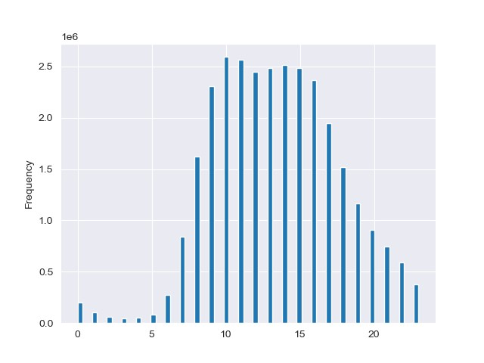
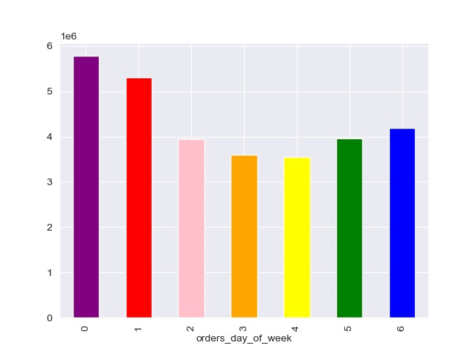

 |  | order_hour_of_day
 | The days with the highest number of orders are Saturday and Sunday, followed by Friday and Thursday. This could suggest that more orders are placed on weekends and towards the end of the week. | The histogram shows that most orders are placed between 9am and 4pm. This pattern is likely due to people placing orders during their wakeup hours and or need to prepare for meals. The fewest orders are placed between 12am and 6am.

2. They also want to know whether there are particular times of the day when people spend the most money, as this might inform the type of products they advertise at these times
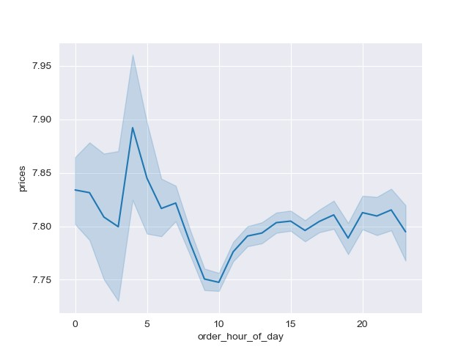

 | The peaks in the graph, which occur around 5 AM, could indicate that higher-priced items are being sold during these hours. Conversely, the lower points, such as around 8 PM, could suggest that less expensive items are being sold at these times. However, the line indicates that the price of the products is the same regardless of the hour of the day. This is likely because the prices are typically set and do not fluctuate depending on the time of day.

3. Instacart has a lot of products with different price tags. Marketing and sales want to use simpler price range groupings to help direct their efforts

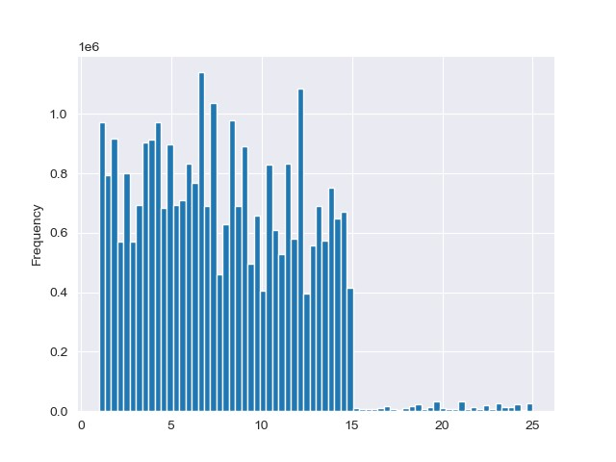

 | Prices

 | From the histogram, it appears that the majority of prices fall between $2 and $15. There are very few products priced above $15, indicating that higher-priced items are less common in this store.

4. Are there certain types of products that are more popular than other? The marketing and sales team want to know which departments have the highest frequency of products orders.

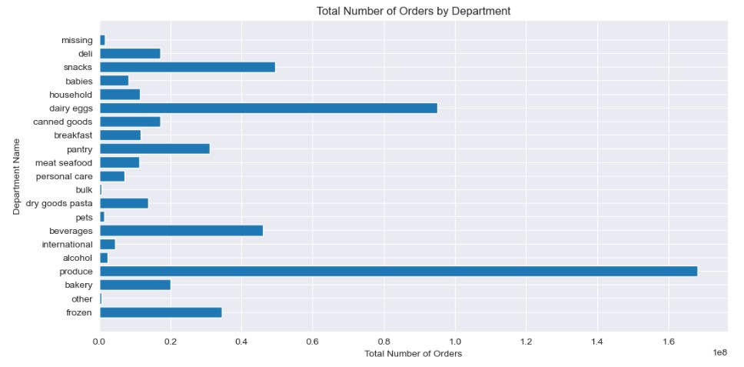

 | The “produce”, “dairy eggs”, and “snacks” departments might have the highest number of orders because these items are commonly used in daily cooking and snacking, making them essential purchases for most households.

5. What's the distribution among users in regards to their brand loyalty (i.e., how often do they return to instacart)?
6. Are there differences in ordering habits based on a customer’s loyalty status?

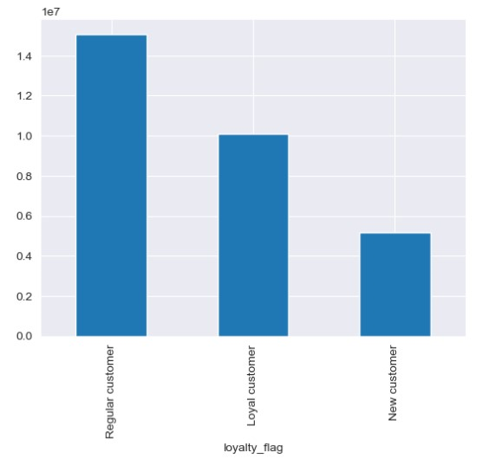

 | The chart shows that Regular customers make the highest orders, while loyal customers are next in line. This could be because regular customers, who shop frequently, form the largest group, followed by loyal customers who, while fewer in number, make consistent purchases, and new customers who are still in the early stages of their relationship with the business.

7. Are there differences in ordering habits based on a customer’s region?

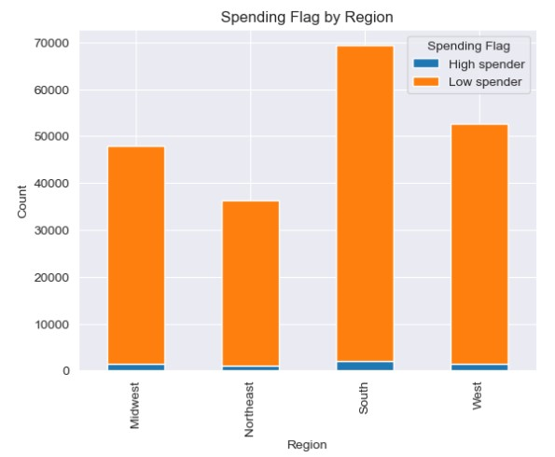

 | In all regions, the number of "Low spender" customers is higher than the number of "High spender" customers. The South region has the highest of both Low spender and High spender customers, while the Northeast region has the lowest. This chart clear provides a clear visual representation of customer spending and ordering habits across different regions.

8. Is there a connection between age and family status in terms of ordering habits?

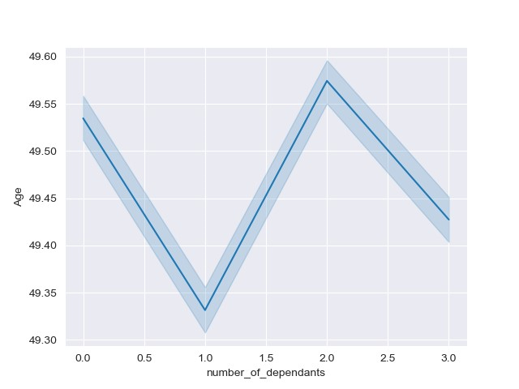

 | Based on the line chart, there seems to be a connection between age and family status in terms of ordering habits. The chart shows that as the number of dependents increases, the age of the customer also tends to increase. This could suggest that older customers, who are more likely to have more dependents, may have different ordering habits compared to younger customers with fewer or no dependents.

9. What different classifications does the demographic information suggest? Age? Income? Certain types of goods? Family status?
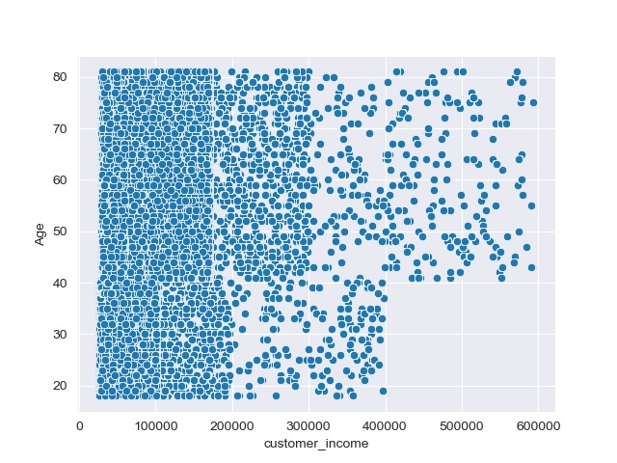

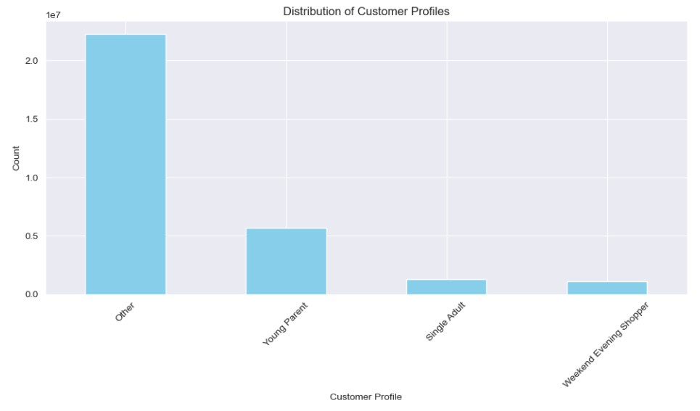

 | The scatterplot shows that there is a positive correlation between customer age and customer income, meaning that customers tend to earn more money as they get older. It also shows a wide range of incomes for customers of all ages. There are some young customers who earn a lot of money, and there are some older customers who earn less money. This is likely due to a number of factors, such as the customer's industry, occupation, education, and experience. | In this chart, it appears that the most common customer profile is "Other", followed by "Young Parent", "Single Adult," and "Weekend Evening Shopper". We could infer that the ordering habits might vary across these customer profiles. For instance, older customers with more dependents, who might fall into the "Young Parent" category, could have different ordering habits compared to those in the "Single Adult" or "Weekend Evening Shopper" categories. However, since the "Other" category has the highest count, like the scatterplot, it suggest a diverse group of customers with potentially varied ordering habits. This category might include a mix of different ages and numbers of dependents.

10. What differences can you find in ordering habits of different customer profiles? Consider the price of orders, the frequencies of orders, the products customers are ordering, and anything else you can think of.

 | The frequencies of orders appears to be highest in the South and lowest in the Northeast. This could be influenced by a variety of factors, such as population density, availability of delivery services, or regional preferences for online shopping. While "Other" can be viewed as a diverse group of customers with varied ordering habits, one can infer that, profiles like "Young Parent" might have larger order sizes due to the needs of a family, which could also influence the total price of orders. and "Single Adults" for instance, might order more convenience items or ready-to-go meals like snakc, while "Young Parent" might order more groceries and household items.

7. Recommendations
 |  |  | Title page

Recommendations

In this tab you should include any recommendations you would made to Instcart in terms of their marketing strategy based on the questions posed in the brief. Every key question has been covered in the Tasks of the Exercises - here you need to add an item - a visualisation or table/crosstable that is showing the answer in the data, acompanied by a comment from you. Please, list the questions below and add the answer underneath.

 |  | Reference Charts on Visualization Tab

Key Question 1: The sales team needs to know what the busiest days of the week and hours of the day are (i.e., the days and times with the most orders) in order to schedule ads at times when there are fewer orders.

Answer/Recommendations

 |  | The busiest days of the week are Saturday and Sunday, followed by Friday and Thursday. These are the days when the most orders are placed. Therefore, the sales team should consider scheduling ads strategically on other days of the week to target potential customers when there are fewer orders. The busiest hours for others are typically between 9 am and 4 pm, corresponding to mealtime hours. During these hours, people are more likely to order food for lunch and dinner. To schedule ads at times when there are fewer orders, the sales team should avoid targeting customers during the peak hours between 9 am and 4 pm. Instead, they could consider focusing on early morning (before 9 am) and late evening (after 8 pm) time slots, as these are the periods when the fewest orders are placed (between 12 am and 6 am). By targeting potential customers during the less busy times of the day (early mornings and late evenings) and on days that are not among the busiest (Monday through Wednesday), the sales team can potentially increase the effectiveness of their ads and reach a wider audience when there is less competition for customer attention.

Key Question 2: They also want to know whether there are particular times of the day when people spend the most money, as this might inform the type of products they advertise at these times.

Answer/Recommendations

 |  | High Spending Times: The peak around 5 am indicates that people might be making higher-priced purchases during these early morning hours. This could be a good time to advertise and promote higher-priced items since customers seem to be willing to spend more during this time.

 |  | Lower Spending Times: Conversely, the lower points around 8 pm suggest that people may be more price-concious or are making less expensive purchases during the evening. This information can help guide advertising strategies for promoting lower-cost products during these hours.

Key Question 3: Instacart has a lot of products with different price tags. Marketing and sales want to use simpler price range grouping to help direct their efforts.

Answer/Recommendations

 |  | Given that the majority of prices for products on Instacart fall between $2 and $15, and that there are very few products priced above $15 in the dataset, marketing and sales teams can simplify their pricing range groupings to better direct their efforts. Here are some recommendations for creating simpler price range groupings:

 |  | 1. Low-Priced Products (Under $5): This category would include the most affordable products on Instacart, catering to budget-conscious shoppers.

 |  | 2. Mid-Range Products ($5-$15): These products make up the majority of the store's offerings and are suitable for a wide range of customers.

 |  | 3. Premium Products (Over $15): This category would cover the higher-priced items available, and they can be marketed to customers looking for premium or specialty items.

 |  | In summary, these simplified price range groupings can make it easier for marketing and sales teams to target specific customer segments and create focused strategies for each price category. It also aligns with the observed distribution of prices in the store, making it a practical approach to tailor their efforts to customer preferences and budget considerations.

Key Question 4: Are there certain types of products that are more popular than others? The marketing and sales teams want to know which departments have the highest frequency of product orders.

Answer/Recommendations

 |  | The "Produce," "dairy and eggs," and "Snacks" departments are likely to have the highest frequency of product orders because these items are commonly used in daily cooking and snacking, making them essential purchases for most households. These information can be valuable for the marketing and sales team, as it indicates which departments may have the highest demand and should be a focus for promotions and marketing efforts.

 | Key Question 5: The marketing and sales teams are particulary interested in the different types of customers in their system and how their ordering behaviour differ. For example:

 |  | 5a.What's the distribution among users in regards to their brand loyalty (i.e., how often do they return to instacart)?
 |  | 5b. Are there differences in ordering habits based on a customer’s loyalty status?

Answer/Recommendations

 |  | To understand the distribution among users in regards to their brand loyalty, the teams should first categorize customers into groups based on their ordering behavior. This categorization can include "Regular Customers," "Loyal Customers," and "New Customers." With the categorization, they can assess how often each group returns to Instacart. This could be measured by the frequency of their orders over a defined period and can analyze several aspects:

 |  | a. Order Frequency: They can compare the average order frequency of regular customers, loyal customers, and new customers. Regular customers are expected to order more frequently, while new customers might order less often as they are just starting their relationship with the business.

 |  | b. Order Value: Analyzing the average order value for each customer group can provide insights into whether certain customer segments tend to spend more per order. Regular customers and loyal customers may have higher average order values due to their familiarity and trust in the brand.

 |  | c. Product Preferences: The teams can also look into whether different customer segments have distinct product preferences. For instance, regular customers might consistently order certain staple items, while new customers may explore a wider range of products.

 |  | These recommendations can help the marketing and sales teams gain better understanding of their customer base and tailor their strategies to effectively target and engage different customer segments, ultimately improving customer retention and sales.

 | 5c. Are there differences in ordering habits based on a customers's region?

Answer/Recommendations

 |  | Understanding regional variations in ordering habits is crucial for the marketing and sales teams. For instance, they might want to focus more on promoting cost-effective solutions in regions dominated by "Low Spender" customers, while offering premium options in regions with a higher concentration of "High Spender" customers. With the knowledge that different regions have distinct customer profiles, the marketing and sales teams can use targeted marketing efforts to appeal to the specific preferences and behaviors of customers in each region. This can lead to more effective customer engagement and increased sales.

 | 5d. Is there a connection between age and family status in terms of ordering habits?

Answer/Recommendations

 |  | This suggests that there is some correlation between age and the presence of dependents in a customer's life. This correlation could lead to differences in ordering habits between customers with more dependents and younger customers with fewer or no dependents. It's essential to keep in mind that correlation does not necessarily imply causation. While the data suggests a connection between age, family status, and ordering habits, further analysis or resaerch would be needed to confirm and better understand the relationship. Other factors, such as income, location, or cultural preferences, could also influence ordering habits.

 | 5e. What different classifications does the demographic information suggest? Age? Income? Certain types of goods? Family status?

Answer/Recommendations

 |  | The demographic information suggests that customers can be classified based on age, income, preferences for certain types of goods, and family status. Age influences income and potrentially ordering habits, while different customer profiles indicate varied preferences for goods and family-related factors.

 | 5f. What differences can you find in ordering habits of different customer profiles? Consider the price of orders, the frequency of orders, the products customers are ordering, and anything else you can think of.

Answer/Recommendations

 |  | The frequencies of orders appears to be highest in the South and lowest in the Northeast. This could be influenced by a variety of factors, such as population density, availability of delivery services, or regional preferences for online shopping. While "Other" can be viewed as a diverse group of customers with varied ordering habits, one can infer that, profiles like "Young Parent" might have larger order sizes due to the needs of a family, which could also influence the total price of orders. and "Single Adults" for instance, might order more convenience items or ready-to-go meals like snakc, while "Young Parent" might order more groceries and household items.

